Gold
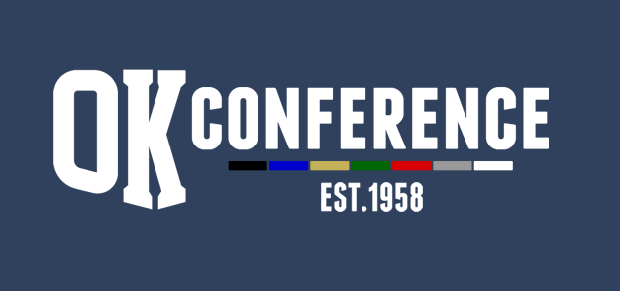
Sport : Bowling
Division: OK GOLD
School Year: 2023/24
AD Chairperson: Adam Valk (Wayland)

All-Conference |  |  | Honorable Mention
Name | Grade | School | Name | Grade | School
Dominic Dannefel | 11 | Catholic Central | Owen Ott | 11 | Catholic Central
David Sepulveda | 12 | Catholic Central | Kyle Parks | 12 | Cedar Springs
Kyle VanEss | 11 | Wayland | Jacob Hoeksema | 11 | South Christian
Louis Harnish | 9 | Wayland | Nolan Lyons | 12 | FHE
Dominic Baker | 11 | Wayland | Will Dewing | 11 | Wayland
Zach Collins | 11 | Cedar Springs
Lelend Russell | 9 | Cedar Springs
Evan Nowicki | 9 | FHE
Bryce Jenkins | 12 | FHE
Coreyon Malone | 10 | Ottawa Hills

 |  |  | Season Results
 |  |  | School | Dual Record | Points | Tourney Place | Points | Total Points | Final Place
 |  |  | Cedar Springs | 12.5-1.5 | 12.5 | 2 | 7 | 19.5 | 1
 |  |  | Wayland | 12-2 | 12 | 3 | 6 | 18 | 2
 |  |  | Forest Hills Eastern | 9-5 | 9 | 1 | 8 | 17 | 3
 |  |  | Catholic Central | 10.5-3.5 | 10.5 | 5 | 4 | 14.5 | 4
 |  |  | GR South Christian | 6-8 | 6 | 4 | 5 | 11 | 5
 |  |  | Thornapple Kellogg | 3.5-10.5 | 3.5 | 6 | 3 | 6.5 | 6
 |  |  | Ottawa Hills | 2-12 | 2 | 7 | 2 | 4 | 7
 |  |  | Kenowa Hills | 1.5-12.5 | 1.5 | 8 | 1 | 2.5 | 8

