Final Standings and All Confere
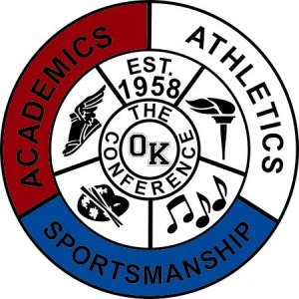

Sport | Boys Bowling

Division | Blue

School Year | 2020-2021

AD Name | James Hogan

1st Team All-Conference |  | Honorable Mention All-Conference
Name/Pos | School | Name/Pos | School
Cam Weaver | Fruitport | Sean Jenkins | Allendale
Evan Simonis | Fruitport | Jray Conklin | Fruitport
Gage Wadland | Fruitport | Gabe Netzel | Allendale
Aydin Johnson | Coops | Dakota Johnson | Coops
Tanner Pitsch | Unity
Jack Verdun | West Cath
Ryan Shinabery | Unity

Sport | Boys Bowling

Division | Blue

School Year | 2020-2021

AD Name | James Hogan

Pre Season Tourney | Place | Regular Season | Record
Fruitport | 1 | Fruitport | 3-1
Coopersville | 2 | Unity Christian | 2-1-1
Unity Christian | 3 | Allendale | 2-2
West Catholic | 4 | Coopersville | 2-2
Allendale | 5 | West Catholic | 0-3-1

Post Season Tourney | Place | Final Standings | Finish Place
Fruitport | 1 | Fruitport | 1
Allendale | 2 | Unity Christian | 2
Unity Christian | 3 | Allendale | 3
West Catholic | 4 | Coopersville | 4
Coopersville | 5 | West Catholic | 5

