Gold
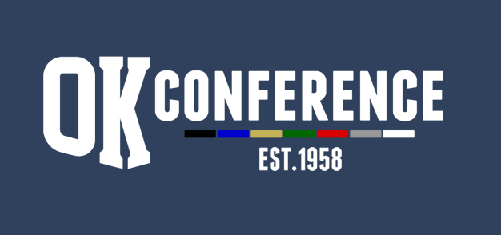
Sport : Bowling
Division: OK Gold
School Year: 2023/24
AD Chairperson: Adam Valk (Wayland)

All-Conference |  |  | Honorable Mention
Name | Grade | School | Name | Grade | School
Phoebe Fisk | 10 | Cedar Springs | Kendra Vargo | 11 | Kenowa Hills
Kaisa Maki | 11 | Cedar Springs | Zoey Russo | 12 | Cedar Springs
Alyssa Wilcox | 11 | Cedar Springs | Micah Tiemeyer | 11 | South Christian
Dakota Traxler | 10 | Cedar Springs | Brooke Trumbell | 9 | Wayland
Emma Barger | 9 | Cedar Springs | Jenna Robinett | 10 | TK
Haven Baker | 11 | Wayland
Izzy Botwinski | 12 | Wayland
Sophia Bursley | 11 | Catholic Central
Emilee Nowicki | 11 | FHE
Annika Hendrickson | 12 | South Christian

 |  |  | Season Results
 |  |  | School | Dual Record | Points | Tourney Place | Points | Total Points | Final Place
 |  |  | Cedar Springs | 14-0 | 14 | 1 | 8 | 22 | 1
 |  |  | Wayland | 11-3 | 11 | 2 | 7 | 18 | 2
 |  |  | Thornapple Kellogg | 10-4 | 10 | 4 | 5 | 15 | 3
 |  |  | GR South Christian | 9-5 | 9 | 3 | 6 | 15 | 3
 |  |  | Kenowa Hills | 6-8 | 6 | 5 | 4 | 10 | 5
 |  |  | Ottawa Hills | 4-10 | 4 | 8 | 1 | 5 | 6
 |  |  | GR Catholic Central | 2-12 | 2 | 6 | 3 | 5 | 6
 |  |  | FHE | 1-13 | 1 | 7 | 2 | 3 | 8

