Gold
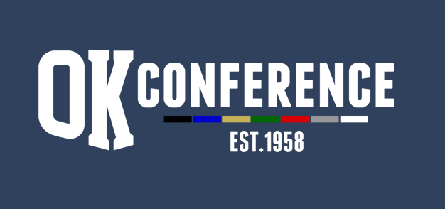
Sport : Girls Track
Division: OK Gold
School Year: 2022-23
AD Chairperson: Kim Moffett

All-Conference |  |  | Honorable Mention
Name | Grade | School | Name | Grade | School
Semaj Robertson | 10 | Ottawa Hills
Adeleine DeRoo | 9 | Ottawa Hills
JaVaeh Sanders | 12 | Ottawa Hills
Taylor Pierce-James | 11 | Ottawa Hills
Madisen Washington | 10 | Ottawa Hills
Reese Hansen | 10 | Ottawa Hills
Campbell Hansen | 11 | Ottawa Hills
Anya VanSweden | 11 | Ottawa Hills
Kylah Buggs | 11 | Ottawa Hills
Selma Anderson | 11 | Ottawa Hills
Lindsey Velting | 12 | Thornapple Kellogg
Payton Gater | 9 | Thornapple Kellogg
Kenady Smith | 11 | Thornapple Kellogg
Ava Crews | 10 | Thornapple Kellogg
Eva Corson | 11 | Thornapple Kellogg
Brooklyn Harmon | 10 | Thornapple Kellogg
Sarah Dixon | 12 | Forest Hills Eastern
Addison Washler | 11 | Forest Hills Eastern
Mallory Huttenga | 11 | South Christian
Chloe Rinzema | 9 | South Christian
Taylor Hoogewind | 10 | Wayland | Season Results
Breanna Hyde | 12 | Wayland | School | Dual Record | Dual Points | Conf. Meet Place | Conf Meet Points | Total Points | Final Place
Larissa McGrath | 12 | Cedar Springs | Ottawa Hills | 7-0 | 8 | 1st | 8 | 16 | 1st
Taylor Diemond | 11 | Cedar Springs | Thornapple Kellogg | 2023-06-01 | 7 | 2nd | 7 | 14 | 2nd
Allyson Broaddus | 11 | Catholic Central | Forest Hills Eastern | 2023-05-02 | 6 | 5th | 4 | 10 | 3rd
Emily Tomes | 11 | Catholic Central | South Christian | 2023-03-04 | 5 | 7th (tie) | 1.5 | 6.5 | 6th
Jayna Dyke | 11 | Kenowa Hills | Wayland | 2023-02-05 | 3 | 4th | 5 | 8 | 4th
Lauren Rokos | 11 | Kenowa Hills | Cedar Springs | 2023-02-05 | 3 | 6th | 3 | 6 | 7th
Mel Holman | 10 | Kenowa Hills | Catholic Central | 2023-02-05 | 3 | 7th (tie) | 1.5 | 4.5 | 8th
Sidney Breen | 12 | Kenowa Hills | Kenowa Hills | 2023-01-06 | 1 | 3rd | 6 | 7 | 5th

