Gold
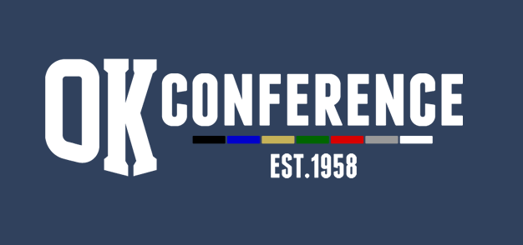
Sport : Boys Track
Division: OK Gold
School Year: 2022-23
AD Chairperson: Kim Moffett

All-Conference |  |  | Honorable Mention
Name | Grade | School | Name | Grade | School
Bryson Kuzdzal | 12 | Forest Hills Eastern
Aiden Sullivan | 12 | Forest Hills Eastern
Henry Dixon | 10 | Forest Hills Eastern
Brady Hilty | 11 | Forest Hills Eastern
David Molhoek | 10 | Forest Hills Eastern
Tobi Thielmann | 11 | Forest Hills Eastern
Evan Minks | 11 | Forest Hills Eastern
Alex Parker | 12 | Forest Hills Eastern
Liam Hinman | 11 | Forest Hills Eastern
Adam Huff | 10 | Wayland
Kaharrie Pureifoy | 11 | Wayland
Aidan Reeder | 11 | Wayland
Devin Weaver | 12 | Wayland
Terry Sylvester | 12 | Wayland
Austin Graham | 11 | Wayland
Alex Andino | 11 | Kenowa Hills
Brady Lewis | 10 | Kenowa Hills
Lincoln Fox | 12 | Kenowa Hills
Julius Andino | 10 | Kenowa Hills
Andrew Bradley | 12 | Kenowa Hills
Dylan LaFontsee | 11 | Cedar Springs | Season Results
Ryan West | 12 | Cedar Springs | School | Dual Record | Dual Points | Conf. Meet Place | Conf Meet Points | Total Points | Final Place
Espen Wood | 12 | Cedar Springs | Forest Hills Eastern | 2023-06-01 | 6.5 | 1st | 8 | 14.5 | 1st
Hudson Pant | 10 | Cedar Springs | Wayland Union | 2023-06-01 | 6.5 | 2nd | 7 | 13.5 | 2nd
Joseph Mullett | 12 | Catholic Central | Kenowa Hills | 2023-06-01 | 6.5 | 3rd | 6 | 12.5 | 3rd
Mill Coleman | 11 | Catholic Central | Cedar Springs | 2023-06-01 | 6.5 | 4th | 5 | 11.5 | 4th
Marcus Nystrom | 11 | Catholic Central | Catholic Central | 2023-04-03 | 4 | 5th | 4 | 8 | 5th
Jeb Hillary | 10 | Catholic Central | South Christian | 2023-02-05 | 3 | 7th | 3 | 6 | 6th
Jake Cashen | 12 | South Christian | Thornapple Kellogg | 2023-01-06 | 2 | 6th | 2 | 4 | 7th
Benne Anderson | 12 | Ottawa Hills | Ottawa Hills | 0-7 | 1 | 8th | 1 | 2 | 8th

